Sheet1
Non-Cash Contributions
Date | Charity | Description | Qty | FMV | Amount
 |  | Long sleeve dress shirt |  |  | -
 |  | Polo shirt |  |  | -
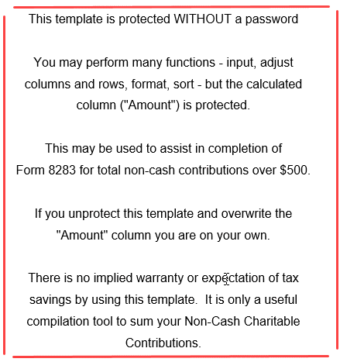
 |  | Dress shoes |  |  | -
 |  | Casual shoes |  |  | -

 |  | Music cassettes |  |  | -
 |  | Cassette case |  |  | -
 |  | Stereo speakers |  |  | -
 |  | Game wheel & pedal |  |  | -
 |  | Stuffed toys |  |  | -
 |  | Nylon hang-up bags |  |  | -
 |  | Suitcase-hard large |  |  | -
 |  | Suitcase-hard small |  |  | -
 |  | Suitcase-soft |  |  | -
 |  | Carmats |  |  | -
 |  | Cassette player |  |  | -
 |  | DVD player |  |  | -

 |  | Jeans |  |  | -
 |  | Shirts |  |  | -
 |  | Robe |  |  | -
 |  | Dresses |  |  | -
 |  | Cloth jackets |  |  | -
 |  | Leather jacket |  |  | -
 |  | Pajamas |  |  | -
 |  | Shoes |  |  | -

 |  | Keyboard |  |  | -
 |  | Surround sound speakers |  |  | -
 |  | Curtain rods |  |  | -
 |  | Camera |  |  | -
 |  | Television |  |  | -
 |  |  |  |  | -

 |  |  |  |  | -

